Values
 | j=1 |  |  | j=2 |  |  | j=3 |  |  | j=4
Cost Component | 2020 | 2035 | 2050 | 2020 | 2035 | 2050 | 2020 | 2035 | 2050 | 2020 | 2035 | 2050
Wind | 3.03E+08 | 2.21E+08 | 2.02E+08 | 3.29E+08 | 2.39E+08 | 2.19E+08 | 2.94E+08 | 2.14E+08 | 1.96E+08 | 3.29E+08 | 2.39E+08 | 2.19E+08 | j=2 | 2020
Solar | 2.44E+06 | 1.61E+06 | 1.24E+06 | 4.31E+05 | 2.84E+05 | 2.19E+05 | 7.91E+05 | 5.20E+05 | 4.02E+05 | 5.03E+05 | 3.31E+05 | 2.56E+05 | j=1 | 2020
Yearly Cost Distribution
Elec | 1.50E+08 | 8.32E+07 | 5.69E+07 | 1.45E+08 | 8.01E+07 | 5.47E+07 | 1.56E+08 | 8.64E+07 | 5.90E+07 | 1.62E+08 | 8.95E+07 | 6.12E+07 | j=4 | 2020
Desal | 6.30E+05 | 6.30E+05 | 6.30E+05 | 6.05E+05 | 6.05E+05 | 6.05E+05 | 6.54E+05 | 6.54E+05 | 6.54E+05 | 6.79E+05 | 6.79E+05 | 6.79E+05 | j=4 | 2020
Conversion | 1.65E+08 | 1.65E+08 | 1.65E+08 | 1.64E+08 | 1.40E+08 | 1.18E+08 | 0.00E+00 | 0.00E+00 | 0.00E+00 | 1.65E+08 | 1.65E+08 | 1.65E+08 | j=1 | 2020
Storage | 7.79E+06 | 6.13E+06 | 3.50E+06 | 1.22E+08 | 9.62E+07 | 5.50E+07 | 0.00E+00 | 0.00E+00 | 0.00E+00 | 0.00E+00 | 0.00E+00 | 0.00E+00 | j=2 | 2020
FPSO | 8.65E+07 | 8.65E+07 | 8.65E+07 | 1.03E+08 | 1.03E+08 | 1.03E+08 | 1.11E+08 | 1.11E+08 | 1.11E+08 | 9.31E+07 | 9.31E+07 | 9.31E+07 | j=3 | 2020
Transport | 1.96E+07 | 1.96E+07 | 1.96E+07 | 9.65E+07 | 7.60E+07 | 4.34E+07 | 2.15E+07 | 2.15E+07 | 2.15E+07 | 1.68E+07 | 1.68E+07 | 1.68E+07 | j=2 | 2020
Total | 7.35E+08 | 5.83E+08 | 5.36E+08 | 9.13E+08 | 7.13E+08 | 5.94E+08 | 5.84E+08 | 4.33E+08 | 3.88E+08 | 7.66E+08 | 6.04E+08 | 5.56E+08 | j=2 | 2020
 | 4.32E+08

Max | Wind | Wind | Wind | Wind | Wind | Wind | Wind | Wind | Wind | Wind | Wind | Wind
Min | Desal | Desal | Desal | Solar | Solar | Solar | Conversion | Conversion | Conversion | Storage | Storage | Storage

Wind | 1.01E+08 |  |  | 1.09E+08 |  |  | 9.78E+07 |  |  | 1.09E+08
Solar | 1.20E+06 |  |  | 2.12E+05 |  |  | 3.89E+05 |  |  | 2.48E+05
Elec | 9.35E+07 |  |  | 8.99E+07 |  |  | 9.70E+07 |  |  | 1.01E+08
Desal | 0.00E+00 |  |  | 0.00E+00 |  |  | 0.00E+00 |  |  | 0.00E+00
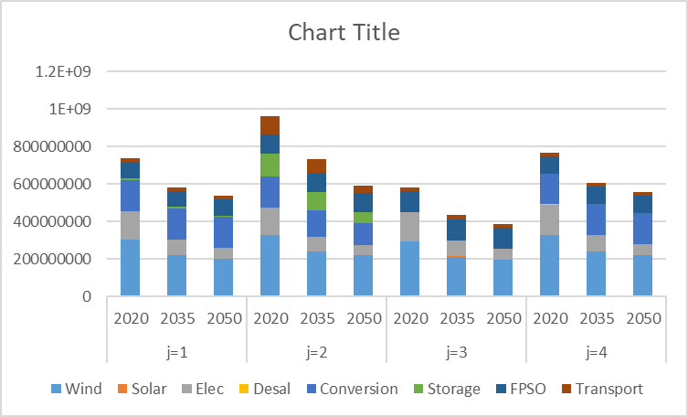
Conv | 0.00E+00 |  |  | 4.58E+07 |  |  | 0.00E+00 |  |  | 0.00E+00
Storage | 4.28E+06 |  |  | 6.72E+07 |  |  | 0.00E+00 |  |  | 0.00E+00
FPSO | 0.00E+00 |  |  | 0.00E+00 |  |  | 0.00E+00 |  |  | 0.00E+00
Transport | 0.00E+00 |  |  | 5.31E+07 |  |  | 0.00E+00 |  |  | 0.00E+00
Total | 2.00E+08 |  |  | 3.20E+08 |  |  | 1.95E+08 |  |  | 2.10E+08

